Drawing
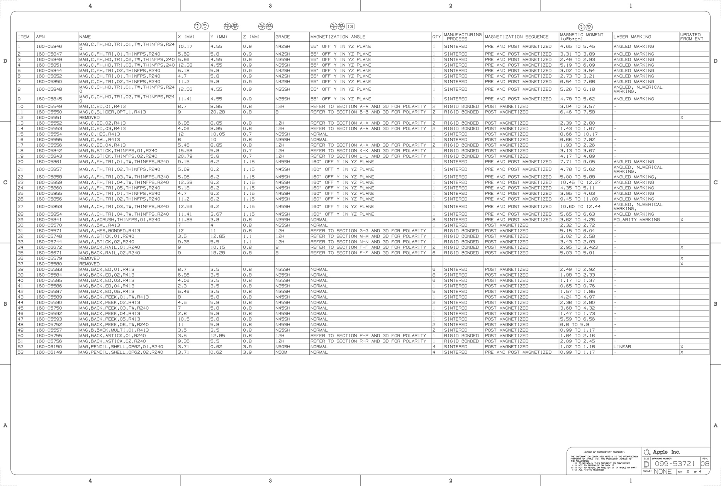
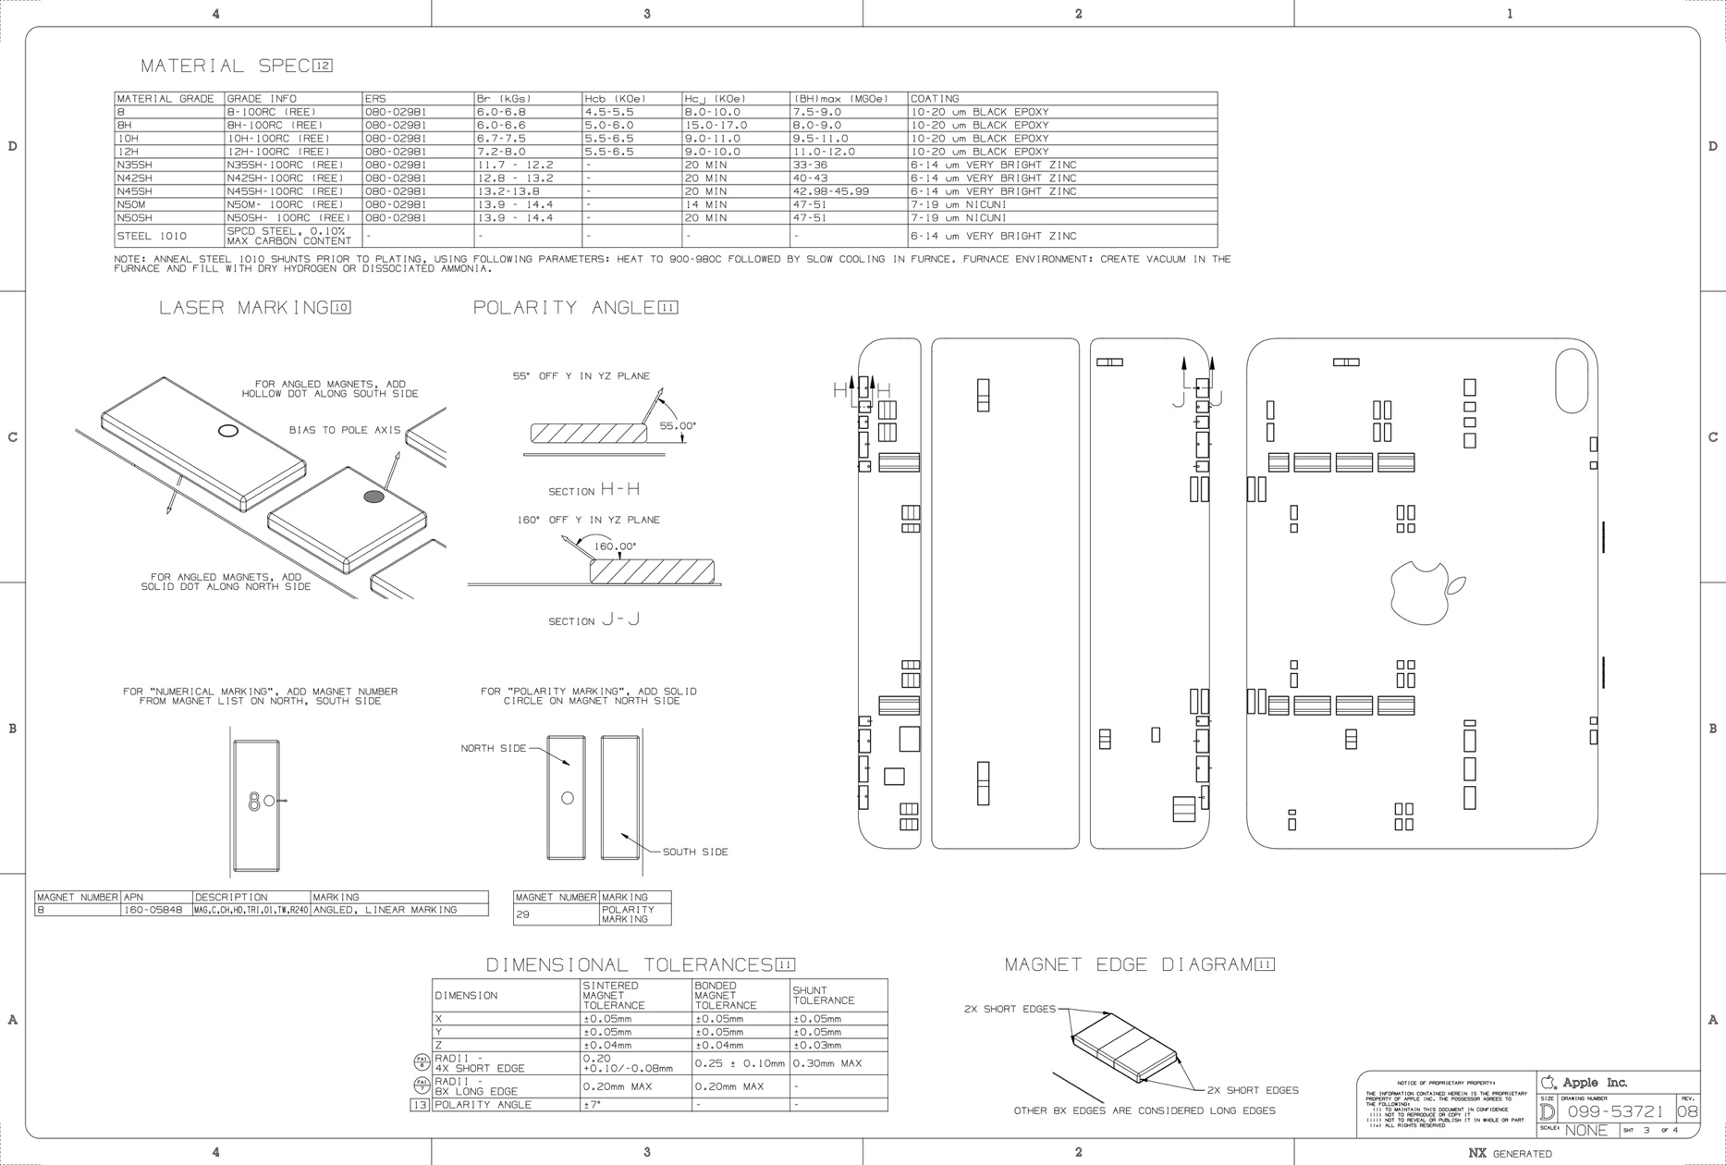
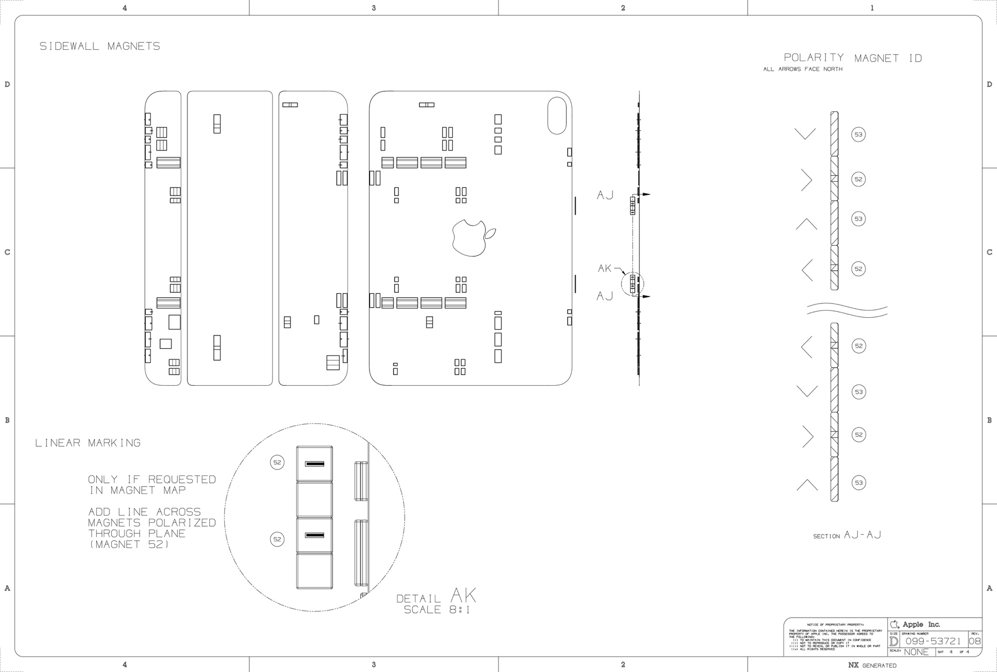
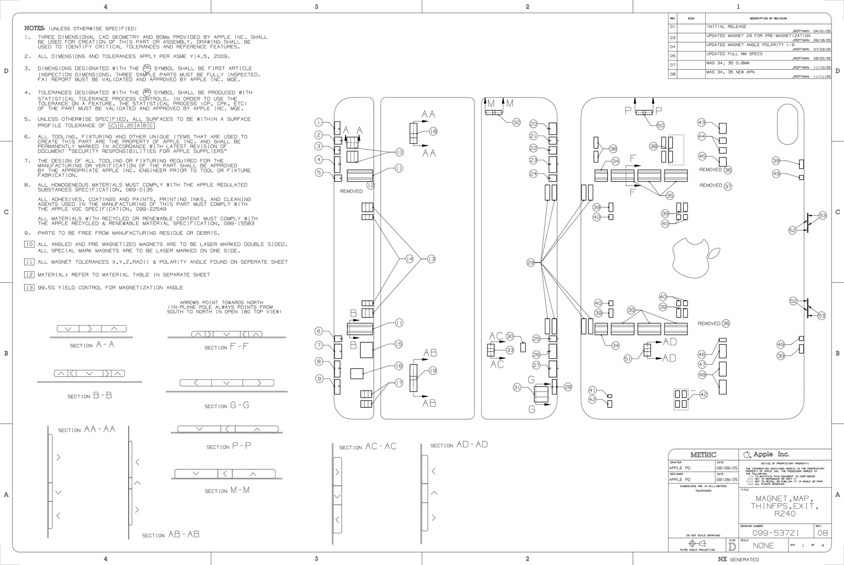

1-1
1-2
1-3
1-4
1-5
1-6
1-7
2-1
2-2
3
4-1
4-2
5
6
8-1
8-2
9-1
9-2
9-3
10-1
10-2
10-3
10-4
10-5
10-6
10-7
11
12-1
12-2
12-3
12-4
12-5
12-6
13-1
13-2
14
15-1
15-2
15-3
15-4
15-5
15-6
16-1
16-2
16-3
16-4
17-1
17-2
17-3
17-4
17-5
18-1
18-2
18-3
18-4
19
20
21-1
21-2
22-1
22-2
23
24-1
24-2
24-3
24-4

